PPM Foundation Instance 1
Project and Portfolio Management Center Questionnaire
Instructions: This questionnaire is to be completed by a Project and Portfolio Management (PPM) Center Administrator, with access to the PPM Center Workbench.
How many instances of PPM does your company currently have in your environment? Please replicate this tab, and complete the questionnaire separately for each instance of the product. |  |  |  | PPMPROD

Question |  |  |  | Yes / No
Is this instance used in production environment? |  |  |  | Yes
Is this instance used for developing PPM product add-on applications? |  |  |  | No
Is this instance used for PPM product migration testing, or PPM pre-production staging? |  |  |  | No
Is this instance used as a Cold Standby Backup? i.e. the instance is NOT up and running. If the production instance breaks down, or needs to be taken out of service, this instance needs to be manually switched on in order to take over for the production system. |  |  |  | No
Is this instance used as a Hot Standby Backup? i.e. the instance is up and running, ready to take over from the production instance if the production instance breaks down or needs to be taken out of service. |  |  |  | No
Does this instance process data, execute policies, or send/receive messages while production system is running? |  |  |  | Yes
Additional Comments

PPM Foundation Information
A. Server/Machine Name |  |  | ppmprodas1
B. Software Version Installed |  |  | 9.3
C. Production or Non-Production? |  |  | Production
D. If Non-Production, Describe Usage |  |  | -
E. Total Number of Unique Users |  |  | 1708
F. Business Unit
G. Used to Provide 3rd Party Services? (Yes or No) |  |  | No
H. Mobility Access Extension in Use? (Yes or No) |  |  | No
I. Documentum Connector Extension in Use? (Yes or No) |  |  | No
J. Capital Planning and Investment Control (CPIC) Extension in Use? (Yes or No) |  |  | No
K. Portfolio Optimization Extension in Use? (Yes or No) |  |  | No

PPM Module Information
Please fill in the number of licenses installed for each module and user type combination below. Please also list the security group(s) associated with each module.
PPM Module Name |  | User Type (Named, Power, or Casual) | L. Quantity of Named Users per Module and User Type | M. Security Group(s)
User Administration |  | Named User | 1
User Configuration |  | Named User | -
Portfolio Management |  | Named User | 29
Portfolio Management |  | Casual Named User | 0
Program Management |  | Named User | 111
Project Management |  | Named User | 115
Financial Management |  | Named User | -
Resource Management |  | Named User | -
Time Management |  | Named User | 1459
Demand Management |  | Power Named User | 0
Demand Management |  | Casual Named User | 452
Deployment Management |  | Named User | 0
Deployment Management - Extension for Oracle |  | Named User | -
Deployment Management - Extension for SAP |  | Named User | -

License Information Display
Instructions: Login to the PPM Center Workbench and navigate to the “Licenses” display to access the License Usage Information. PPM Center Workbench --> Sys Admin --> License. If the PPM Workbench is not accessible, execute the License Reader with the following command. kLicenseReader.sh [-filename <License_File_Name>][-filepath <License_File_Path>] [-help] If file path and file name are not specified, the license reader uses the defaults: <PPM_Home>/conf and license.conf, respectively .

***SAMPLE DATA*** |  |  |  | Insert Screenshot Below
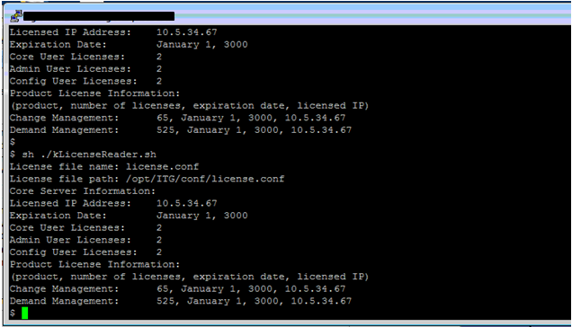 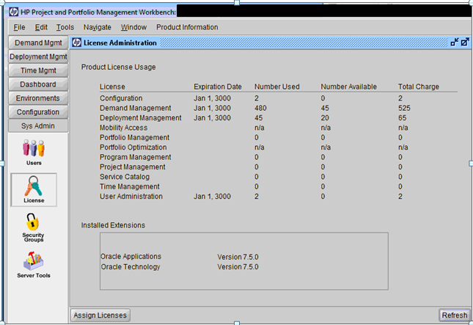 |  |  |  | 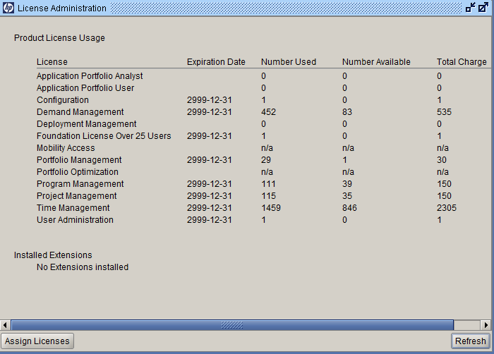

L

L

Power User Information
Instructions: Navigate to the "Security Groups" display to access the groups information and provide listings of the "Power Users." PPM Center Workbench --> Sys Admin --> Security Groups

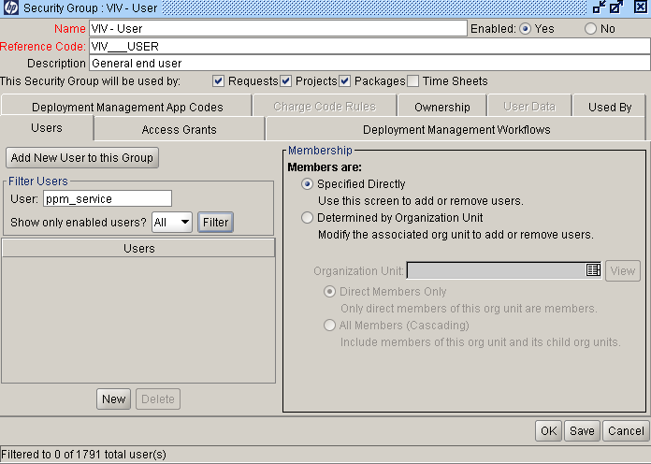
***SAMPLE DATA*** |  |  |  | Insert Screenshot Below
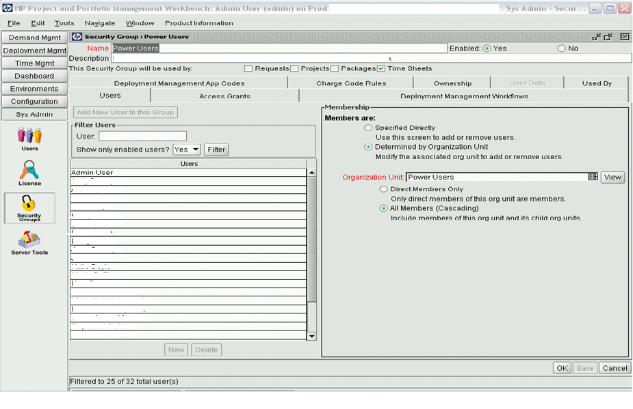 |  |  |  | 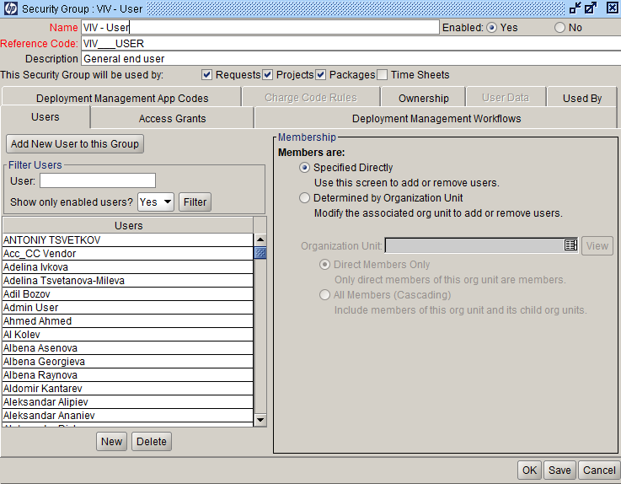 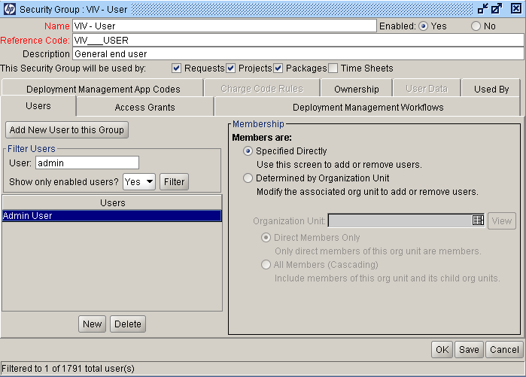

L

L

User Information
Instructions: Run the following SQL command upon the PPM backend database (e.g. via SQL Runner when logged in as an Admin) for a list of unique users. select distinct user_id from KNTA_USER_PRODUCTS Paste the results of the query into the table below and fill in the corresponding user names (first and last name) associated with each User ID. Add additional rows as needed.

E
***SAMPLE DATA*** |  |  |  | Complete the table below
 |  |  |  |  | Paste query results here | Fill in First and Last Name
 | USER_ID | User Name |  |  | USER_ID | User Name
 | 1 | Admin User
 | 2 | Service
 | 30001 | John Doe 1
 | 30002 | John Doe 2
 | 30003 | John Doe 3
 | 30004 | John Doe 4
 | 30005 | John Doe 5
 | 30009 | John Doe 6
 | 30011 | John Doe 7
 | 30012 | John Doe 8
 | 30014 | John Doe 9
 | 30016 | John Doe 10
 | 30019 | John Doe 11
 | 30020 | John Doe 12
 | 30025 | John Doe 13
 | 30026 | John Doe 14
 | 30028 | John Doe 15
 | 30030 | John Doe 16
 | 30031 | John Doe 17
 | 30032 | John Doe 18
 | 30033 | John Doe 19
 | 30034 | John Doe 20
 | 30035 | John Doe 21
 | 30036 | John Doe 22
 | 30037 | John Doe 23
 | 30038 | John Doe 24

User Information
Instructions: Run the following SQL commands and output them to CSV: select username from knta_users where user_id in ( select user_id from KNTA_USER_SECURITY where security_group_id in ( select security_group_id from KNTA_ACCESS_SECURITY where access_grant_id in ( select access_grant_id from KNTA_ACCESS_GRANTS where access_grant_name = 'Edit All Requests'))) select username from knta_users where user_id in ( select user_id from KNTA_USER_SECURITY where security_group_id in ( select security_group_id from KNTA_ACCESS_SECURITY where access_grant_id in ( select access_grant_id from KNTA_ACCESS_GRANTS where access_grant_name = ' Override Demand Mgmt Participant Restriction ')))

PPM Foundation Instance 1 (2)
Project and Portfolio Management Center Questionnaire
Instructions: This questionnaire is to be completed by a Project and Portfolio Management (PPM) Center Administrator, with access to the PPM Center Workbench.
How many instances of PPM does your company currently have in your environment? Please replicate this tab, and complete the questionnaire separately for each instance of the product. |  |  |  | PPMPPR

Question |  |  |  | Yes / No
Is this instance used in production environment? |  |  |  | No
Is this instance used for developing PPM product add-on applications? |  |  |  | No
Is this instance used for PPM product migration testing, or PPM pre-production staging? |  |  |  | Yes
Is this instance used as a Cold Standby Backup? i.e. the instance is NOT up and running. If the production instance breaks down, or needs to be taken out of service, this instance needs to be manually switched on in order to take over for the production system. |  |  |  | No
Is this instance used as a Hot Standby Backup? i.e. the instance is up and running, ready to take over from the production instance if the production instance breaks down or needs to be taken out of service. |  |  |  | No
Does this instance process data, execute policies, or send/receive messages while production system is running? |  |  |  | No
Additional Comments

PPM Foundation Information
A. Server/Machine Name |  |  | ppmppras1
B. Software Version Installed |  |  | 9.3
C. Production or Non-Production? |  |  | Non-Production
D. If Non-Production, Describe Usage |  |  | PreProd
E. Total Number of Unique Users |  |  | 1709
F. Business Unit
G. Used to Provide 3rd Party Services? (Yes or No) |  |  | No
H. Mobility Access Extension in Use? (Yes or No) |  |  | No
I. Documentum Connector Extension in Use? (Yes or No) |  |  | No
J. Capital Planning and Investment Control (CPIC) Extension in Use? (Yes or No) |  |  | No
K. Portfolio Optimization Extension in Use? (Yes or No) |  |  | No

PPM Module Information
Please fill in the number of licenses installed for each module and user type combination below. Please also list the security group(s) associated with each module.
PPM Module Name |  | User Type (Named, Power, or Casual) | L. Quantity of Named Users per Module and User Type | M. Security Group(s)
User Administration |  | Named User | 1
User Configuration |  | Named User | -
Portfolio Management |  | Named User | 28
Portfolio Management |  | Casual Named User | 0
Program Management |  | Named User | 109
Project Management |  | Named User | 112
Financial Management |  | Named User | -
Resource Management |  | Named User | -
Time Management |  | Named User | 1458
Demand Management |  | Power Named User | 0
Demand Management |  | Casual Named User | 452
Deployment Management |  | Named User | 0
Deployment Management - Extension for Oracle |  | Named User | -
Deployment Management - Extension for SAP |  | Named User | -

License Information Display
Instructions: Login to the PPM Center Workbench and navigate to the “Licenses” display to access the License Usage Information. PPM Center Workbench --> Sys Admin --> License. If the PPM Workbench is not accessible, execute the License Reader with the following command. kLicenseReader.sh [-filename <License_File_Name>][-filepath <License_File_Path>] [-help] If file path and file name are not specified, the license reader uses the defaults: <PPM_Home>/conf and license.conf, respectively .

***SAMPLE DATA*** |  |  |  | Insert Screenshot Below
 |  |  |  | 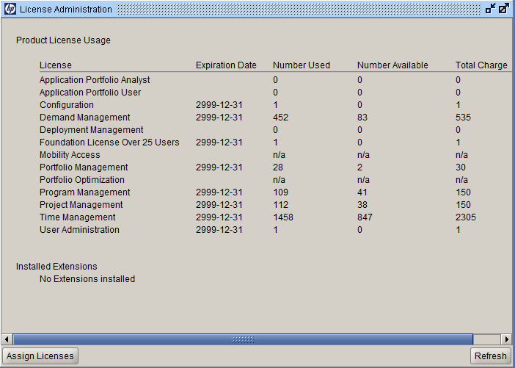

L

L

Power User Information
Instructions: Navigate to the "Security Groups" display to access the groups information and provide listings of the "Power Users." PPM Center Workbench --> Sys Admin --> Security Groups

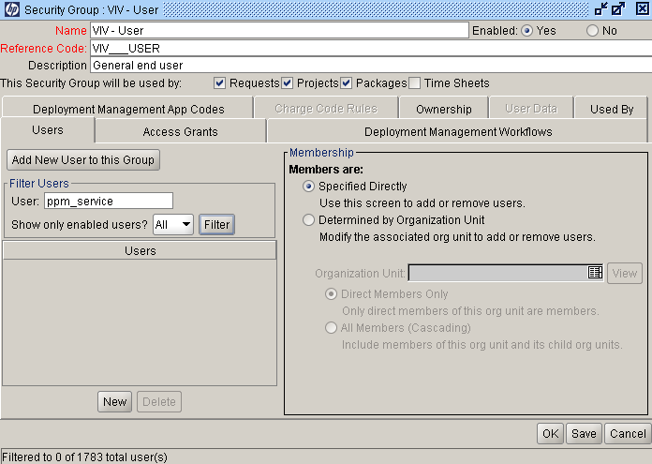
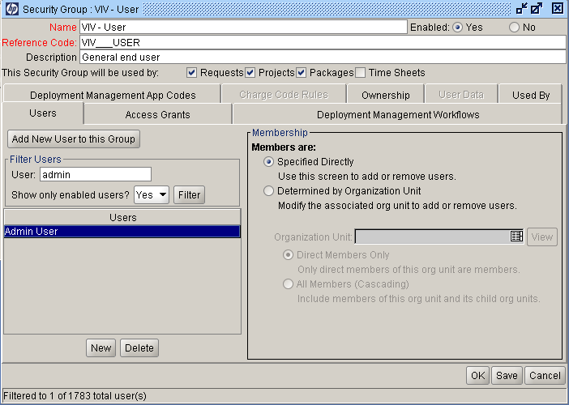
***SAMPLE DATA*** |  |  |  | Insert Screenshot Below
 |  |  |  | 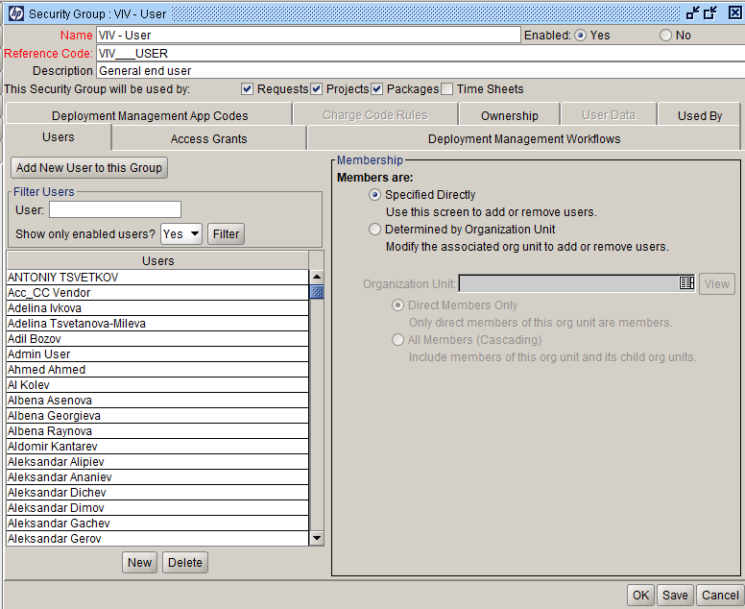

L

L

User Information
Instructions: Run the following SQL command upon the PPM backend database (e.g. via SQL Runner when logged in as an Admin) for a list of unique users. select distinct user_id from KNTA_USER_PRODUCTS Paste the results of the query into the table below and fill in the corresponding user names (first and last name) associated with each User ID. Add additional rows as needed.

E
***SAMPLE DATA*** |  |  |  | Complete the table below
 |  |  |  |  | Paste query results here | Fill in First and Last Name
 | USER_ID | User Name |  |  | USER_ID | User Name
 | 1 | Admin User
 | 2 | Service
 | 30001 | John Doe 1
 | 30002 | John Doe 2
 | 30003 | John Doe 3
 | 30004 | John Doe 4
 | 30005 | John Doe 5
 | 30009 | John Doe 6
 | 30011 | John Doe 7
 | 30012 | John Doe 8
 | 30014 | John Doe 9
 | 30016 | John Doe 10
 | 30019 | John Doe 11
 | 30020 | John Doe 12
 | 30025 | John Doe 13
 | 30026 | John Doe 14
 | 30028 | John Doe 15
 | 30030 | John Doe 16
 | 30031 | John Doe 17
 | 30032 | John Doe 18
 | 30033 | John Doe 19
 | 30034 | John Doe 20
 | 30035 | John Doe 21
 | 30036 | John Doe 22
 | 30037 | John Doe 23
 | 30038 | John Doe 24

User Information
Instructions: Run the following SQL commands and output them to CSV: select username from knta_users where user_id in ( select user_id from KNTA_USER_SECURITY where security_group_id in ( select security_group_id from KNTA_ACCESS_SECURITY where access_grant_id in ( select access_grant_id from KNTA_ACCESS_GRANTS where access_grant_name = 'Edit All Requests'))) select username from knta_users where user_id in ( select user_id from KNTA_USER_SECURITY where security_group_id in ( select security_group_id from KNTA_ACCESS_SECURITY where access_grant_id in ( select access_grant_id from KNTA_ACCESS_GRANTS where access_grant_name = ' Override Demand Mgmt Participant Restriction ')))

